計算書
 |  |  |  |  |  |  | 2025-12-23
Moment Calculator

 | 1. Select the actuator installation position and workpiece loading condition.

 | ■ Horizontal Installation / Ceiling Installation |  | ■ Vertical Installation

 | ■ Sideway Installation

 |  |  |  | Installation Position

 |  |  |  | Workpiece Loading Condition

 | 2. Enter the load mass and center of gravity of the slider.

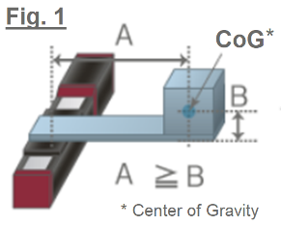
 |  | (1) Slider loading
 |  | Enter the load |  | Load mass |  | kg
 |  | (The blue part is the mass in Fig.1)

 |  | (2) Enter the distance from the center of the slider surface to the center of gravity (CoG)
 |  | of the workpiece |  | CoG position |  | mm
 |  | (A is the distance in Fig.1 as A is longer than B)

 | 3. Enter the acceleration/deceleration value.

 |  |  |  |  |  | G

 | 4. Approximate dominant load moment.

 |  |  |  |  |  | N・ｍ

 | 5. Enter the actuator model.

 |  |  |  | Category

 |  |  |  | Series

 |  |  |  | Type |  |  | --

 |  |  |  | Option

 | Entered Model |  |  | Option | 0

 | Dynamic allowable moment
 |  | Ma (Pitching) | N・ｍ | Max payload |  | kg

 |  | Mb (Yawing) | N・ｍ | Max Acc/Dec |  | Ｇ

 |  | Mc (Rolling) | N・ｍ

 | 6. Check the overhang load length of the actuator

 |  | Entered CoG position | mm Overhang load length | Overhang laod length |  | mm
 |  |  |  |  | (reference value)
 | 7. Dominant dynamic allowable moment of the actuator

 |  |  |  | Moment |  | N・ｍ

 |  |  |  | Running life |  | km

 | 8. Precaution

 | ■ The maximum payload and maximum acceleration/deceleration are individual maximum values and cannot be achieved at the same time.
 | ■ About running life:
 | ￭ The running life is calculated using The dynamic allowable moment of The linear guide determined for each model.
 | ￭ When driven under the same conditions, this represents the total distance traveled with a 90% probability of survival.
 | ￭ Please contact us if you anticipate vibrations or installation that is not entirely fixed to the base surface.

